Assumptions
Annualized standard deviation | 9.756%
Spot price | 90.00
Exercise price | 90.00 | <- Don’t pay attention to this |  |  |  | For expected return multiply the real world probabilities with the potential payoffs of the put/call after reaching a specific down/up factor
Term to maturity | 0.50
Risk-free rate | 0.00% |  |  |  |  | Remember, if you can pass some of the economics onto consumers, This DOES NOT have an effect on the payoff of the calls!! You only look at the price of the underlying commodity
 |  |  |  |  |  | This is a relatively simple concept but it is easy to mess up, make sure you're paying attention to it
Jump to back
 |  |  |  |  |  | For currencies, be careful to look at what it converts into, for example, if one AUD buys 0.7172 USD you know if you need to hedge 4000 usd, then you need to hedge ~5500 AUD

 |  |  |  |  |  |  |  |  | To convert effective annual rate to continuosly compounded:
 |  |  |  |  |  |  | Collar: |  | ln(1 + r(eff))
REMEMBER |  | In order to find up factor of a series of data: |  |  |  |  | Selling a call option and buying a put option
 |  | EXP(annualized volatility)
 |  | (or e^(ann vol)) |  |  |  |  | ln(price2/price1) | to find continuosly compounded returns

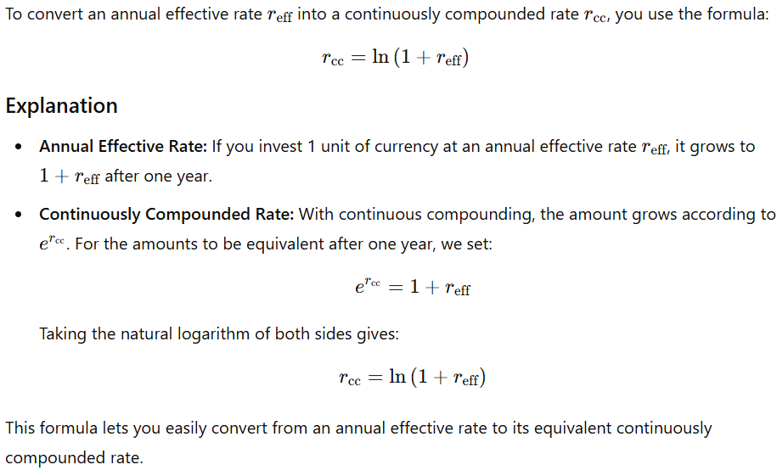
 |  | Down factor | 1/up factor | OR | exp(-annualized vol)
 | When you have a portion of a period | up factor: | EXP(ann vol * SQRT(timestep))
 |  | REMEMBER
 |  | Expected is just for hedging, when you are figuring out impact on profit, and you're creating the income statement USE WHAT ACTUALLY HAPPENED

 |  | To find payoff of put:
 |  | max(strike-current price,0)*number of put
 |  | To find payoff of call:
 |  | max(current price-strike, 0)*number of calls

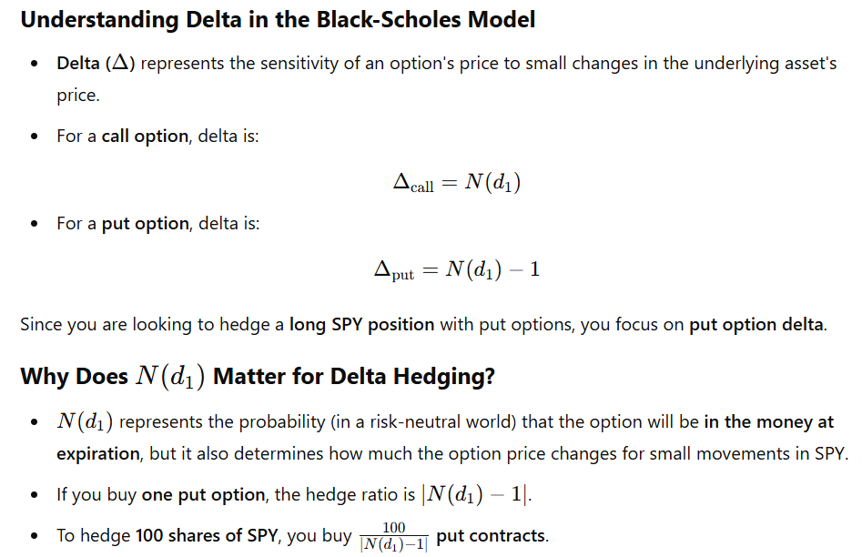
Hard Delta Hedging Question:

Hard Hedging Q
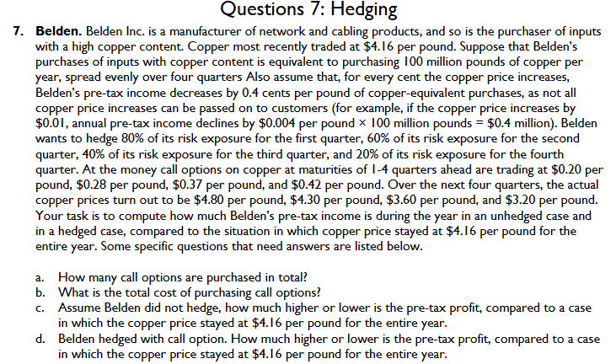
 | Today | Q1 | Q2 | Q3 | Q4
Copper price today | $4.16 | $4.80 | $4.30 | $3.60 | $3.20
At-the-money option prices for different maturities |  | $0.20 | $0.28 | $0.37 | $0.42
Hedge |  | 80% | 60% | 40% | 20%

Annual copper-equivalent purchases (m pounds) | 100
Impact on pre-tax income from a 1 cent change in the copper price | 0.4
Exercise price | $4.16
change per pound | 0.004
Assuming "risk exposure" means volume
Copper-equivalent purchases (m pounds) |  | 25.000 | 25.000 | 25.000 | 25.000 | 100.000
Copper options purchased (m) |  | 20.000 | 15.000 | 10.000 | 5.000 | 50.000
Cost of options ($m) |  | 4.000 | 4.200 | 3.700 | 2.100 | 14.000
Option payoff |  | 12.800 | 2.100 | 0.000 | 0.000 | 14.900
Option payoff less cost of hedge |  | 8.800 | -2.100 | -3.700 | -2.100 | 0.900

Unhedged: Impact on pre-tax profit vs copper price remaining at today's level |  | -6.400 | -1.400 | 5.600 | 9.600 | 7.400
Hedged: Impact on pre-tax profit vs copper price remaining at today's level |  | 2.400 | -3.500 | 1.900 | 7.500 | 8.300

Assuming "risk exposure" means pre-tax profit impact
Copper-equivalent purchases (m pounds) |  | 25.000 | 25.000 | 25.000 | 25.000 | 100.000
Copper options purchased |  | 8.000 | 6.000 | 4.000 | 2.000 | 20.000
Cost of options ($m) |  | 1.600 | 1.680 | 1.480 | 0.840 | 5.600
Option payoff |  | 5.120 | 0.840 | 0.000 | 0.000 | 5.960
Option payoff less cost of hedge |  | 3.520 | -0.840 | -1.480 | -0.840 | 0.360

Unhedged: Impact on pre-tax profit vs copper price remaining at today's level |  | -6.400 | -1.400 | 5.600 | 9.600 | 7.400
Hedged: Impact on pre-tax profit vs copper price remaining at today's level |  | -2.880 | -2.240 | 4.120 | 8.760 | 7.760

Jump to front

portfolio value (gme&dte)
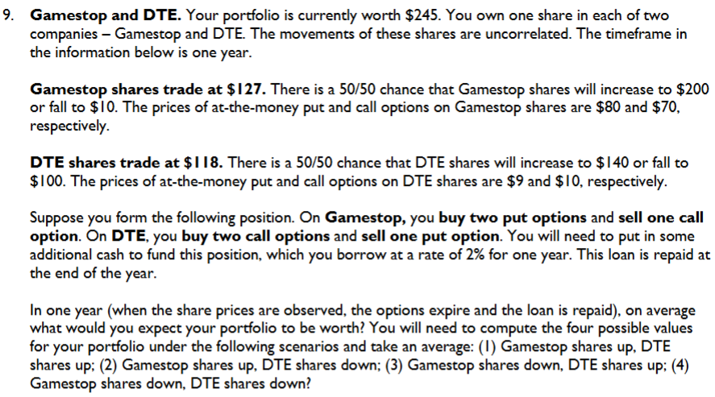
Borrowing rate | 2%
Security | Today | Up | Down
Gamestop | 127 | 200 | 10
DTE | 118 | 140 | 100

Options | Exercise | Put price | Call price | Puts | Calls
Gamestop | 127 | 80 | 70 | 2 | -1
DTE | 118 | 9 | 10 | -1 | 2

How much additional cash to put in? | 101

Scenario | 1 | 2 | 3 | 4
Gamestop shares | 200 | 200 | 10 | 10
Payoff on Gamestop puts | 0 | 0 | 234 | 234
Payoff on Gamestop calls | -73 | -73 | 0 | 0
DTE shares | 140 | 100 | 140 | 100
Payoff on DTE puts | 0 | -18 | 0 | -18
Payoff on DTE calls | 44 | 0 | 44 | 0
Repayment of loan | -103 | -103 | -103 | -103
Portfolio value | 208 | 106 | 325 | 223

Average portfolio value | 215

Jump to front

Berkshire Bank Straddle
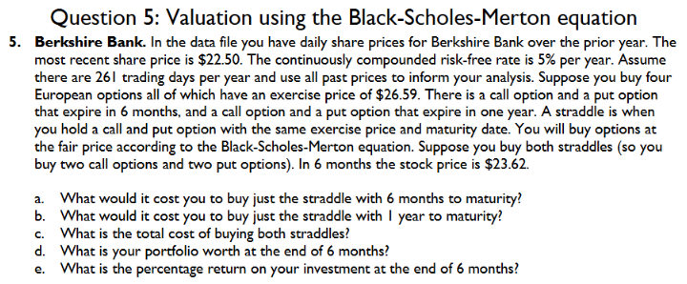
Current underlying asset price | 22.50 |  |  | Date | Price | Return
Exercise price | 26.59 | days: | 261 | 20-Feb-2023 | 30.31 |  | daily SD
Continuously-compounded risk-free rate | 5.00% | Annual SD | 36.81% | 21-Feb-2023 | 29.52 | -2.64% | 0.022783722201
Risk-free rate as an effective annual rate | 5.00% |  |  | 22-Feb-2023 | 29.53 | 0.03%
Time to maturity (years) | 0.50 |  |  | 23-Feb-2023 | 29.54 | 0.03%
Value of a European call option | 1.15 |  |  | 24-Feb-2023 | 29.37 | -0.58%
Intrinsic value of the call option | 0.00 |  |  | 27-Feb-2023 | 29.34 | -0.10%
Time value of the call option | 1.15 |  |  | 28-Feb-2023 | 29.06 | -0.96%
Value of a European put option | 4.59 |  |  | 01-Mar-2023 | 29.14 | 0.27%
Intrinsic value of the put option | 4.09 |  |  | 02-Mar-2023 | 28.58 | -1.94%
Time value of the put option | 0.50 |  |  | 03-Mar-2023 | 28.67 | 0.31%
Annualized volatility | 36.81% |  |  | 06-Mar-2023 | 28.13 | -1.90%
d1 | -0.4155 |  |  | 07-Mar-2023 | 27.45 | -2.45%
d2 | -0.6758 |  |  | 08-Mar-2023 | 27.57 | 0.44%
N(d1) | 0.3389 |  |  | 09-Mar-2023 | 26.00 | -5.86%
N(d2) | 0.2496 |  |  | 10-Mar-2023 | 25.57 | -1.67%
N(-d1) | 0.6611 |  |  | 13-Mar-2023 | 24.36 | -4.85%
N(-d2) | 0.7504 |  |  | 14-Mar-2023 | 25.20 | 3.39%
 |  |  |  | 15-Mar-2023 | 25.15 | -0.20%
 |  |  |  | 16-Mar-2023 | 25.94 | 3.09%
Current underlying asset price | 22.50 |  |  | 17-Mar-2023 | 24.42 | -6.04%
Exercise price | 26.59 |  |  | 20-Mar-2023 | 24.33 | -0.37%
Continuously-compounded risk-free rate | 5.00% |  |  | 21-Mar-2023 | 25.29 | 3.87%
Risk-free rate as an effective annual rate | 5.00% |  |  | 22-Mar-2023 | 24.98 | -1.23%
Time to maturity (years) | 1.00 |  |  | 23-Mar-2023 | 24.68 | -1.21%
Value of a European call option | 2.27 |  |  | 24-Mar-2023 | 25.10 | 1.69%
Intrinsic value of the call option | 0.00 |  |  | 27-Mar-2023 | 25.56 | 1.82%
Time value of the call option | 2.27 |  |  | 28-Mar-2023 | 25.65 | 0.35%
Value of a European put option | 5.06 |  |  | 29-Mar-2023 | 25.55 | -0.39%
Intrinsic value of the put option | 4.09 |  |  | 30-Mar-2023 | 25.04 | -2.02%
Time value of the put option | 0.97 |  |  | 31-Mar-2023 | 25.06 | 0.08%
Annualized volatility | 36.81% |  |  | 03-Apr-2023 | 24.77 | -1.16%
d1 | -0.1339 |  |  | 04-Apr-2023 | 24.29 | -1.96%
d2 | -0.5020 |  |  | 05-Apr-2023 | 23.93 | -1.49%
N(d1) | 0.4468 |  |  | 06-Apr-2023 | 24.07 | 0.58%
N(d2) | 0.3078 |  |  | 07-Apr-2023 | 24.07 | 0.00%
N(-d1) | 0.5532 |  |  | 10-Apr-2023 | 24.03 | -0.17%
N(-d2) | 0.6922 |  |  | 11-Apr-2023 | 23.71 | -1.34%
 |  |  |  | 12-Apr-2023 | 23.44 | -1.15%
 |  |  |  | 13-Apr-2023 | 23.45 | 0.04%
Straddle six months: | 5.74 |  |  | 14-Apr-2023 | 23.16 | -1.24%
Straddle one year: | 7.32 |  |  | 17-Apr-2023 | 23.35 | 0.82%
Both: | 13.0619 |  |  | 18-Apr-2023 | 22.70 | -2.82%
 |  |  |  | 19-Apr-2023 | 23.36 | 2.87%
Current underlying asset price | 23.62 |  |  | 20-Apr-2023 | 23.11 | -1.08%
Exercise price | 26.59 |  |  | 21-Apr-2023 | 21.96 | -5.10%
Continuously-compounded risk-free rate | 5.00% |  |  | 24-Apr-2023 | 21.71 | -1.14%
Risk-free rate as an effective annual rate | 5.00% |  |  | 25-Apr-2023 | 20.58 | -5.35%
Time to maturity (years) | 0.50 |  |  | 26-Apr-2023 | 20.67 | 0.44%
Value of a European call option | 1.57 |  |  | 27-Apr-2023 | 21.10 | 2.06%
Intrinsic value of the call option | 0.00 |  |  | 28-Apr-2023 | 21.27 | 0.80%
Time value of the call option | 1.57 |  |  | 01-May-2023 | 20.84 | -2.04%
Value of a European put option | 3.88 |  |  | 02-May-2023 | 19.32 | -7.57%
Intrinsic value of the put option | 2.97 |  |  | 03-May-2023 | 19.47 | 0.77%
Time value of the put option | 0.91 |  |  | 04-May-2023 | 18.94 | -2.76%
Annualized volatility | 36.81% |  |  | 05-May-2023 | 19.99 | 5.40%
d1 | -0.2289 |  |  | 08-May-2023 | 19.31 | -3.46%
d2 | -0.4891 |  |  | 09-May-2023 | 19.21 | -0.52%
N(d1) | 0.4095 |  |  | 10-May-2023 | 19.13 | -0.42%
N(d2) | 0.3124 |  |  | 11-May-2023 | 18.84 | -1.53%
N(-d1) | 0.5905 |  |  | 12-May-2023 | 18.98 | 0.74%
N(-d2) | 0.6876 |  |  | 15-May-2023 | 19.48 | 2.60%
 |  |  |  | 16-May-2023 | 19.29 | -0.98%
Value at the end of six months: | 8.4259 |  |  | 17-May-2023 | 20.74 | 7.25%
Return at the end of 6 months: | -35.49% |  |  | 18-May-2023 | 20.95 | 1.01%
 |  |  |  | 19-May-2023 | 20.50 | -2.17%
 |  |  |  | 22-May-2023 | 21.17 | 3.22%
 |  |  |  | 23-May-2023 | 21.88 | 3.30%
 |  |  |  | 24-May-2023 | 21.46 | -1.94%
 |  |  |  | 25-May-2023 | 21.31 | -0.70%
 |  |  |  | 26-May-2023 | 21.56 | 1.17%
 |  |  |  | 29-May-2023 | 21.56 | 0.00%
 |  |  |  | 30-May-2023 | 21.22 | -1.59%
 |  |  |  | 31-May-2023 | 20.45 | -3.70%
 |  |  |  | 01-Jun-2023 | 20.83 | 1.84%
 |  |  |  | 02-Jun-2023 | 22.38 | 7.18%
 |  |  |  | 05-Jun-2023 | 21.63 | -3.41%
 |  |  |  | 06-Jun-2023 | 22.61 | 4.43%
 |  |  |  | 07-Jun-2023 | 23.51 | 3.90%
 |  |  |  | 08-Jun-2023 | 23.17 | -1.46%
 |  |  |  | 09-Jun-2023 | 22.90 | -1.17%
Jump to front |  |  |  | 12-Jun-2023 | 22.73 | -0.75%
 |  |  |  | 13-Jun-2023 | 23.17 | 1.92%
 |  |  |  | 14-Jun-2023 | 22.31 | -3.78%
 |  |  |  | 15-Jun-2023 | 22.74 | 1.91%
 |  |  |  | 16-Jun-2023 | 22.55 | -0.84%
 |  |  |  | 19-Jun-2023 | 22.55 | 0.00%
 |  |  |  | 20-Jun-2023 | 22.10 | -2.02%
 |  |  |  | 21-Jun-2023 | 21.65 | -2.06%
 |  |  |  | 22-Jun-2023 | 20.99 | -3.10%
 |  |  |  | 23-Jun-2023 | 20.62 | -1.78%
 |  |  |  | 26-Jun-2023 | 20.83 | 1.01%
 |  |  |  | 27-Jun-2023 | 20.91 | 0.38%
 |  |  |  | 28-Jun-2023 | 20.91 | 0.00%
 |  |  |  | 29-Jun-2023 | 21.06 | 0.71%
 |  |  |  | 30-Jun-2023 | 20.73 | -1.58%
 |  |  |  | 03-Jul-2023 | 21.16 | 2.05%
 |  |  |  | 04-Jul-2023 | 21.16 | 0.00%
 |  |  |  | 05-Jul-2023 | 20.68 | -2.29%
 |  |  |  | 06-Jul-2023 | 20.61 | -0.34%
 |  |  |  | 07-Jul-2023 | 20.97 | 1.73%
 |  |  |  | 10-Jul-2023 | 21.16 | 0.90%
 |  |  |  | 11-Jul-2023 | 21.29 | 0.61%
 |  |  |  | 12-Jul-2023 | 22.23 | 4.32%
 |  |  |  | 13-Jul-2023 | 22.64 | 1.83%
 |  |  |  | 14-Jul-2023 | 22.25 | -1.74%
 |  |  |  | 17-Jul-2023 | 22.66 | 1.83%
 |  |  |  | 18-Jul-2023 | 23.18 | 2.27%
 |  |  |  | 19-Jul-2023 | 23.89 | 3.02%
 |  |  |  | 20-Jul-2023 | 22.25 | -7.11%
 |  |  |  | 21-Jul-2023 | 21.79 | -2.09%
 |  |  |  | 24-Jul-2023 | 22.41 | 2.81%
 |  |  |  | 25-Jul-2023 | 22.10 | -1.39%
 |  |  |  | 26-Jul-2023 | 23.03 | 4.12%
 |  |  |  | 27-Jul-2023 | 22.53 | -2.19%
 |  |  |  | 28-Jul-2023 | 22.79 | 1.15%
 |  |  |  | 31-Jul-2023 | 22.81 | 0.09%
 |  |  |  | 01-Aug-2023 | 22.62 | -0.84%
 |  |  |  | 02-Aug-2023 | 22.66 | 0.18%
 |  |  |  | 03-Aug-2023 | 22.72 | 0.26%
 |  |  |  | 04-Aug-2023 | 22.77 | 0.22%
 |  |  |  | 07-Aug-2023 | 23.22 | 1.96%
 |  |  |  | 08-Aug-2023 | 22.93 | -1.26%
 |  |  |  | 09-Aug-2023 | 22.92 | -0.04%
 |  |  |  | 10-Aug-2023 | 22.68 | -1.05%
 |  |  |  | 11-Aug-2023 | 22.90 | 0.97%
 |  |  |  | 14-Aug-2023 | 22.69 | -0.92%
 |  |  |  | 15-Aug-2023 | 22.05 | -2.86%
 |  |  |  | 16-Aug-2023 | 21.67 | -1.74%
 |  |  |  | 17-Aug-2023 | 21.75 | 0.37%
 |  |  |  | 18-Aug-2023 | 21.93 | 0.82%
 |  |  |  | 21-Aug-2023 | 21.64 | -1.33%
 |  |  |  | 22-Aug-2023 | 21.10 | -2.53%
 |  |  |  | 23-Aug-2023 | 20.91 | -0.90%
 |  |  |  | 24-Aug-2023 | 21.22 | 1.47%
 |  |  |  | 25-Aug-2023 | 20.84 | -1.81%
 |  |  |  | 28-Aug-2023 | 21.16 | 1.52%
 |  |  |  | 29-Aug-2023 | 21.27 | 0.52%
 |  |  |  | 30-Aug-2023 | 20.89 | -1.80%
 |  |  |  | 31-Aug-2023 | 20.90 | 0.05%
 |  |  |  | 01-Sep-2023 | 21.78 | 4.12%
 |  |  |  | 04-Sep-2023 | 21.78 | 0.00%
 |  |  |  | 05-Sep-2023 | 20.97 | -3.79%
 |  |  |  | 06-Sep-2023 | 20.53 | -2.12%
 |  |  |  | 07-Sep-2023 | 20.30 | -1.13%
 |  |  |  | 08-Sep-2023 | 20.20 | -0.49%
 |  |  |  | 11-Sep-2023 | 20.20 | 0.00%
 |  |  |  | 12-Sep-2023 | 19.97 | -1.15%
 |  |  |  | 13-Sep-2023 | 19.75 | -1.11%
 |  |  |  | 14-Sep-2023 | 20.54 | 3.92%
 |  |  |  | 15-Sep-2023 | 20.13 | -2.02%
 |  |  |  | 18-Sep-2023 | 19.66 | -2.36%
 |  |  |  | 19-Sep-2023 | 19.47 | -0.97%
 |  |  |  | 20-Sep-2023 | 19.49 | 0.10%
 |  |  |  | 21-Sep-2023 | 19.84 | 1.78%
 |  |  |  | 22-Sep-2023 | 19.67 | -0.86%
 |  |  |  | 25-Sep-2023 | 19.77 | 0.51%
 |  |  |  | 26-Sep-2023 | 19.54 | -1.17%
 |  |  |  | 27-Sep-2023 | 19.70 | 0.82%
 |  |  |  | 28-Sep-2023 | 19.90 | 1.01%
 |  |  |  | 29-Sep-2023 | 20.05 | 0.75%
 |  |  |  | 02-Oct-2023 | 20.11 | 0.30%
 |  |  |  | 03-Oct-2023 | 19.91 | -1.00%
 |  |  |  | 04-Oct-2023 | 20.02 | 0.55%
 |  |  |  | 05-Oct-2023 | 20.32 | 1.49%
 |  |  |  | 06-Oct-2023 | 20.37 | 0.25%
 |  |  |  | 09-Oct-2023 | 20.45 | 0.39%
 |  |  |  | 10-Oct-2023 | 20.81 | 1.75%
 |  |  |  | 11-Oct-2023 | 20.91 | 0.48%
 |  |  |  | 12-Oct-2023 | 20.51 | -1.93%
 |  |  |  | 13-Oct-2023 | 20.17 | -1.67%
 |  |  |  | 16-Oct-2023 | 20.48 | 1.53%
 |  |  |  | 17-Oct-2023 | 20.95 | 2.27%
 |  |  |  | 18-Oct-2023 | 20.37 | -2.81%
 |  |  |  | 19-Oct-2023 | 20.04 | -1.63%
 |  |  |  | 20-Oct-2023 | 18.68 | -7.03%
 |  |  |  | 23-Oct-2023 | 18.99 | 1.65%
 |  |  |  | 24-Oct-2023 | 18.48 | -2.72%
 |  |  |  | 25-Oct-2023 | 18.76 | 1.50%
 |  |  |  | 26-Oct-2023 | 19.57 | 4.23%
 |  |  |  | 27-Oct-2023 | 19.34 | -1.18%
 |  |  |  | 30-Oct-2023 | 19.60 | 1.34%
 |  |  |  | 31-Oct-2023 | 19.61 | 0.05%
 |  |  |  | 01-Nov-2023 | 19.89 | 1.42%
 |  |  |  | 02-Nov-2023 | 20.69 | 3.94%
 |  |  |  | 03-Nov-2023 | 21.24 | 2.62%
 |  |  |  | 06-Nov-2023 | 20.98 | -1.23%
 |  |  |  | 07-Nov-2023 | 20.58 | -1.92%
 |  |  |  | 08-Nov-2023 | 20.36 | -1.07%
 |  |  |  | 09-Nov-2023 | 20.22 | -0.69%
 |  |  |  | 10-Nov-2023 | 20.32 | 0.49%
 |  |  |  | 13-Nov-2023 | 20.33 | 0.05%
 |  |  |  | 14-Nov-2023 | 21.72 | 6.61%
 |  |  |  | 15-Nov-2023 | 21.56 | -0.74%
 |  |  |  | 16-Nov-2023 | 21.17 | -1.83%
 |  |  |  | 17-Nov-2023 | 21.52 | 1.64%
 |  |  |  | 20-Nov-2023 | 21.41 | -0.51%
 |  |  |  | 21-Nov-2023 | 20.89 | -2.46%
 |  |  |  | 22-Nov-2023 | 21.05 | 0.76%
 |  |  |  | 23-Nov-2023 | 21.05 | 0.00%
 |  |  |  | 24-Nov-2023 | 21.12 | 0.33%
 |  |  |  | 27-Nov-2023 | 21.05 | -0.33%
 |  |  |  | 28-Nov-2023 | 20.96 | -0.43%
 |  |  |  | 29-Nov-2023 | 21.07 | 0.52%
 |  |  |  | 30-Nov-2023 | 20.93 | -0.67%
 |  |  |  | 01-Dec-2023 | 21.98 | 4.89%
 |  |  |  | 04-Dec-2023 | 22.32 | 1.54%
 |  |  |  | 05-Dec-2023 | 22.11 | -0.95%
 |  |  |  | 06-Dec-2023 | 22.32 | 0.95%
 |  |  |  | 07-Dec-2023 | 22.79 | 2.08%
 |  |  |  | 08-Dec-2023 | 23.08 | 1.26%
 |  |  |  | 11-Dec-2023 | 22.98 | -0.43%
 |  |  |  | 12-Dec-2023 | 22.77 | -0.92%
 |  |  |  | 13-Dec-2023 | 24.68 | 8.05%
 |  |  |  | 14-Dec-2023 | 25.16 | 1.93%
 |  |  |  | 15-Dec-2023 | 24.85 | -1.24%
 |  |  |  | 18-Dec-2023 | 24.77 | -0.32%
 |  |  |  | 19-Dec-2023 | 25.07 | 1.20%
 |  |  |  | 20-Dec-2023 | 24.71 | -1.45%
 |  |  |  | 21-Dec-2023 | 24.94 | 0.93%
 |  |  |  | 22-Dec-2023 | 25.03 | 0.36%
 |  |  |  | 25-Dec-2023 | 25.03 | 0.00%
 |  |  |  | 26-Dec-2023 | 25.48 | 1.78%
 |  |  |  | 27-Dec-2023 | 25.45 | -0.12%
 |  |  |  | 28-Dec-2023 | 25.27 | -0.71%
 |  |  |  | 29-Dec-2023 | 24.83 | -1.76%
 |  |  |  | 01-Jan-2024 | 24.83 | 0.00%
 |  |  |  | 02-Jan-2024 | 24.82 | -0.04%
 |  |  |  | 03-Jan-2024 | 24.10 | -2.94%
 |  |  |  | 04-Jan-2024 | 24.25 | 0.62%
 |  |  |  | 05-Jan-2024 | 24.29 | 0.16%
 |  |  |  | 08-Jan-2024 | 24.29 | 0.00%
 |  |  |  | 09-Jan-2024 | 23.85 | -1.83%
 |  |  |  | 10-Jan-2024 | 24.57 | 2.97%
 |  |  |  | 11-Jan-2024 | 23.91 | -2.72%
 |  |  |  | 12-Jan-2024 | 23.86 | -0.21%
 |  |  |  | 15-Jan-2024 | 23.86 | 0.00%
 |  |  |  | 16-Jan-2024 | 23.75 | -0.46%
 |  |  |  | 17-Jan-2024 | 23.53 | -0.93%
 |  |  |  | 18-Jan-2024 | 23.52 | -0.04%
 |  |  |  | 19-Jan-2024 | 23.60 | 0.34%
 |  |  |  | 22-Jan-2024 | 24.59 | 4.11%
 |  |  |  | 23-Jan-2024 | 24.29 | -1.23%
 |  |  |  | 24-Jan-2024 | 24.42 | 0.53%
 |  |  |  | 25-Jan-2024 | 24.51 | 0.37%
 |  |  |  | 26-Jan-2024 | 24.59 | 0.33%
 |  |  |  | 29-Jan-2024 | 25.16 | 2.29%
 |  |  |  | 30-Jan-2024 | 25.05 | -0.44%
 |  |  |  | 31-Jan-2024 | 24.00 | -4.28%
 |  |  |  | 01-Feb-2024 | 23.23 | -3.26%
 |  |  |  | 02-Feb-2024 | 23.07 | -0.69%
 |  |  |  | 05-Feb-2024 | 22.60 | -2.06%
 |  |  |  | 06-Feb-2024 | 22.32 | -1.25%
 |  |  |  | 07-Feb-2024 | 22.20 | -0.54%
 |  |  |  | 08-Feb-2024 | 22.64 | 1.96%
 |  |  |  | 09-Feb-2024 | 22.74 | 0.44%
 |  |  |  | 12-Feb-2024 | 23.06 | 1.40%
 |  |  |  | 13-Feb-2024 | 21.88 | -5.25%
 |  |  |  | 14-Feb-2024 | 22.04 | 0.73%
 |  |  |  | 15-Feb-2024 | 22.73 | 3.08%
 |  |  |  | 16-Feb-2024 | 22.37 | -1.60%
 |  |  |  | 19-Feb-2024 | 22.37 | 0.00%
 |  |  |  | 20-Feb-2024 | 22.50 | 0.58%

Hard Black Scholes
Date | Price | Log return | Stock price | $434.23 | Units SPY | 100
18-Feb-21 | 390.72 |  | Days per year | 254 | Units options | 505.76 | units required to hedge
19-Feb-21 | 390.03 | -0.18% | Exercise price | $420.00 | End SPY | $408.00
22-Feb-21 | 387.03 | -0.77% | Term to maturity | 0.0833 | SPY | $40,800.00
23-Feb-21 | 387.50 | 0.12% | Continuously-compounded risk-free rate | 0.60% | Option payoff | $6,069.13
24-Feb-21 | 391.77 | 1.10% | Units SPY | 100 | Cost of options | $1,004.55
25-Feb-21 | 382.33 | -2.44% | End SPY | $408.00 | Portfolio value | $45,864.58
26-Feb-21 | 380.36 | -0.52% | Daily standard deviation | 0.89%
1-Mar-21 | 389.58 | 2.40% | Annualised volatility of continuously-compounded returns | 14.13%
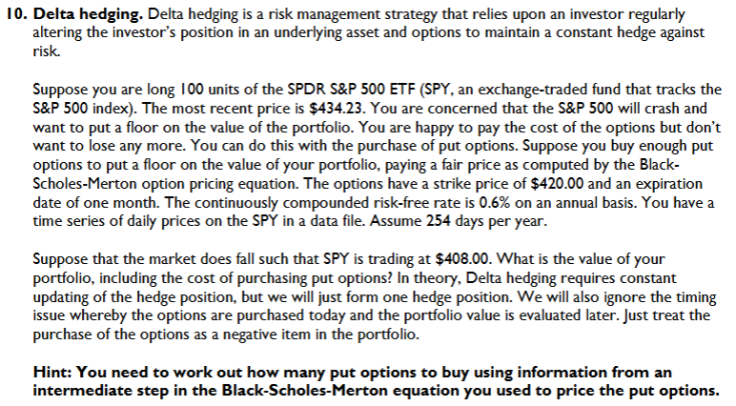
2-Mar-21 | 386.54 | -0.78% | d1 | 0.85
3-Mar-21 | 381.42 | -1.33% | d2 | 0.81
4-Mar-21 | 376.70 | -1.25% | N (d1) | 0.80
5-Mar-21 | 383.63 | 1.82% | N (d2) | 0.79
8-Mar-21 | 381.72 | -0.50% | N (-d1) | 0.20
9-Mar-21 | 387.17 | 1.42% | N (-d2) | 0.21
10-Mar-21 | 389.58 | 0.62% | Call option value | $16.43
11-Mar-21 | 393.53 | 1.01% | Put option value | $1.99
12-Mar-21 | 394.06 | 0.13%
15-Mar-21 | 396.41 | 0.59%
16-Mar-21 | 395.91 | -0.13%
17-Mar-21 | 397.26 | 0.34% | Jump to front
18-Mar-21 | 391.48 | -1.47%
19-Mar-21 | 389.48 | -0.51%
22-Mar-21 | 392.59 | 0.80%
23-Mar-21 | 389.50 | -0.79%
24-Mar-21 | 387.52 | -0.51%
25-Mar-21 | 389.70 | 0.56%
26-Mar-21 | 395.98 | 1.60%
29-Mar-21 | 395.78 | -0.05%
30-Mar-21 | 394.73 | -0.27%
31-Mar-21 | 396.33 | 0.40%
1-Apr-21 | 400.61 | 1.07%
5-Apr-21 | 406.36 | 1.43%
6-Apr-21 | 406.12 | -0.06%
7-Apr-21 | 406.59 | 0.12%
8-Apr-21 | 408.52 | 0.47%
9-Apr-21 | 411.49 | 0.72%
12-Apr-21 | 411.64 | 0.04%
13-Apr-21 | 412.86 | 0.30%
14-Apr-21 | 411.45 | -0.34%
15-Apr-21 | 415.87 | 1.07%
16-Apr-21 | 417.26 | 0.33%
19-Apr-21 | 415.21 | -0.49%
20-Apr-21 | 412.17 | -0.73%
21-Apr-21 | 416.07 | 0.94%
22-Apr-21 | 412.27 | -0.92%
23-Apr-21 | 416.74 | 1.08%
26-Apr-21 | 417.61 | 0.21%
27-Apr-21 | 417.52 | -0.02%
28-Apr-21 | 417.40 | -0.03%
29-Apr-21 | 420.06 | 0.64%
30-Apr-21 | 417.30 | -0.66%
3-May-21 | 418.20 | 0.22%
4-May-21 | 415.62 | -0.62%
5-May-21 | 415.75 | 0.03%
6-May-21 | 419.07 | 0.80%
7-May-21 | 422.12 | 0.73%
10-May-21 | 417.94 | -1.00%
11-May-21 | 414.21 | -0.90%
12-May-21 | 405.41 | -2.15%
13-May-21 | 410.28 | 1.19%
14-May-21 | 416.58 | 1.52%
17-May-21 | 415.52 | -0.25%
18-May-21 | 411.94 | -0.87%
19-May-21 | 410.86 | -0.26%
20-May-21 | 415.28 | 1.07%
21-May-21 | 414.94 | -0.08%
24-May-21 | 419.17 | 1.01%
25-May-21 | 418.24 | -0.22%
26-May-21 | 419.07 | 0.20%
27-May-21 | 419.29 | 0.05%
28-May-21 | 420.04 | 0.18%
1-Jun-21 | 419.67 | -0.09%
2-Jun-21 | 420.33 | 0.16%
3-Jun-21 | 418.77 | -0.37%
4-Jun-21 | 422.60 | 0.91%
7-Jun-21 | 422.19 | -0.10%
8-Jun-21 | 422.28 | 0.02%
9-Jun-21 | 421.65 | -0.15%
10-Jun-21 | 423.61 | 0.46%
11-Jun-21 | 424.31 | 0.17%
14-Jun-21 | 425.26 | 0.22%
15-Jun-21 | 424.48 | -0.18%
16-Jun-21 | 422.11 | -0.56%
17-Jun-21 | 421.97 | -0.03%
18-Jun-21 | 414.92 | -1.68%
21-Jun-21 | 420.86 | 1.42%
22-Jun-21 | 423.11 | 0.53%
23-Jun-21 | 422.60 | -0.12%
24-Jun-21 | 425.10 | 0.59%
25-Jun-21 | 426.61 | 0.35%
28-Jun-21 | 427.47 | 0.20%
29-Jun-21 | 427.70 | 0.05%
30-Jun-21 | 428.06 | 0.08%
1-Jul-21 | 430.43 | 0.55%
2-Jul-21 | 433.72 | 0.76%
6-Jul-21 | 432.93 | -0.18%
7-Jul-21 | 434.46 | 0.35%
8-Jul-21 | 430.92 | -0.82%
9-Jul-21 | 435.52 | 1.06%
12-Jul-21 | 437.08 | 0.36%
13-Jul-21 | 435.59 | -0.34%
14-Jul-21 | 436.24 | 0.15%
15-Jul-21 | 434.75 | -0.34%
16-Jul-21 | 431.34 | -0.79%
19-Jul-21 | 424.97 | -1.49%
20-Jul-21 | 431.06 | 1.42%
21-Jul-21 | 434.55 | 0.81%
22-Jul-21 | 435.46 | 0.21%
23-Jul-21 | 439.94 | 1.02%
26-Jul-21 | 441.02 | 0.25%
27-Jul-21 | 439.01 | -0.46%
28-Jul-21 | 438.83 | -0.04%
29-Jul-21 | 440.65 | 0.41%
30-Jul-21 | 438.51 | -0.49%
2-Aug-21 | 437.59 | -0.21%
3-Aug-21 | 441.15 | 0.81%
4-Aug-21 | 438.98 | -0.49%
5-Aug-21 | 441.76 | 0.63%
6-Aug-21 | 442.49 | 0.17%
9-Aug-21 | 442.13 | -0.08%
10-Aug-21 | 442.68 | 0.12%
11-Aug-21 | 443.78 | 0.25%
12-Aug-21 | 445.11 | 0.30%
13-Aug-21 | 445.92 | 0.18%
16-Aug-21 | 446.97 | 0.24%
17-Aug-21 | 444.04 | -0.66%
18-Aug-21 | 439.18 | -1.10%
19-Aug-21 | 439.86 | 0.15%
20-Aug-21 | 443.36 | 0.79%
23-Aug-21 | 447.26 | 0.88%
24-Aug-21 | 447.97 | 0.16%
25-Aug-21 | 448.91 | 0.21%
26-Aug-21 | 446.26 | -0.59%
27-Aug-21 | 450.25 | 0.89%
30-Aug-21 | 452.23 | 0.44%
31-Aug-21 | 451.56 | -0.15%
1-Sep-21 | 451.80 | 0.05%
2-Sep-21 | 453.19 | 0.31%
3-Sep-21 | 453.08 | -0.02%
7-Sep-21 | 451.46 | -0.36%
8-Sep-21 | 450.91 | -0.12%
9-Sep-21 | 448.98 | -0.43%
10-Sep-21 | 445.44 | -0.79%
13-Sep-21 | 446.58 | 0.26%
14-Sep-21 | 444.17 | -0.54%
15-Sep-21 | 447.88 | 0.83%
16-Sep-21 | 447.17 | -0.16%
17-Sep-21 | 441.40 | -1.30%
20-Sep-21 | 434.04 | -1.68%
21-Sep-21 | 433.63 | -0.09%
22-Sep-21 | 437.86 | 0.97%
23-Sep-21 | 443.18 | 1.21%
24-Sep-21 | 443.91 | 0.16%
27-Sep-21 | 442.64 | -0.29%
28-Sep-21 | 433.72 | -2.04%
29-Sep-21 | 434.45 | 0.17%
30-Sep-21 | 429.14 | -1.23%
1-Oct-21 | 434.24 | 1.18%
4-Oct-21 | 428.64 | -1.30%
5-Oct-21 | 433.10 | 1.04%
6-Oct-21 | 434.90 | 0.41%
7-Oct-21 | 438.66 | 0.86%
8-Oct-21 | 437.86 | -0.18%
11-Oct-21 | 434.69 | -0.73%
12-Oct-21 | 433.62 | -0.25%
13-Oct-21 | 435.18 | 0.36%
14-Oct-21 | 442.50 | 1.67%
15-Oct-21 | 445.87 | 0.76%
18-Oct-21 | 447.19 | 0.30%
19-Oct-21 | 450.64 | 0.77%
20-Oct-21 | 452.41 | 0.39%
21-Oct-21 | 453.59 | 0.26%
22-Oct-21 | 453.12 | -0.10%
25-Oct-21 | 455.55 | 0.53%
26-Oct-21 | 455.96 | 0.09%
27-Oct-21 | 453.94 | -0.44%
28-Oct-21 | 458.32 | 0.96%
29-Oct-21 | 459.25 | 0.20%
1-Nov-21 | 460.04 | 0.17%
2-Nov-21 | 461.90 | 0.40%
3-Nov-21 | 464.72 | 0.61%
4-Nov-21 | 466.91 | 0.47%
5-Nov-21 | 468.53 | 0.35%
8-Nov-21 | 468.93 | 0.09%
9-Nov-21 | 467.38 | -0.33%
10-Nov-21 | 463.62 | -0.81%
11-Nov-21 | 463.77 | 0.03%
12-Nov-21 | 467.27 | 0.75%
15-Nov-21 | 467.43 | 0.03%
16-Nov-21 | 469.28 | 0.40%
17-Nov-21 | 468.14 | -0.24%
18-Nov-21 | 469.73 | 0.34%
19-Nov-21 | 468.89 | -0.18%
22-Nov-21 | 467.57 | -0.28%
23-Nov-21 | 468.19 | 0.13%
24-Nov-21 | 469.44 | 0.27%
26-Nov-21 | 458.97 | -2.26%
29-Nov-21 | 464.60 | 1.22%
30-Nov-21 | 455.56 | -1.96%
1-Dec-21 | 450.50 | -1.12%
2-Dec-21 | 457.40 | 1.52%
3-Dec-21 | 453.42 | -0.87%
6-Dec-21 | 458.79 | 1.18%
7-Dec-21 | 468.28 | 2.05%
8-Dec-21 | 469.52 | 0.26%
9-Dec-21 | 466.35 | -0.68%
10-Dec-21 | 470.74 | 0.94%
13-Dec-21 | 466.57 | -0.89%
14-Dec-21 | 463.36 | -0.69%
15-Dec-21 | 470.60 | 1.55%
16-Dec-21 | 466.45 | -0.89%
17-Dec-21 | 459.87 | -1.42%
20-Dec-21 | 454.98 | -1.07%
21-Dec-21 | 463.06 | 1.76%
22-Dec-21 | 467.69 | 0.99%
23-Dec-21 | 470.60 | 0.62%
27-Dec-21 | 477.26 | 1.41%
28-Dec-21 | 476.87 | -0.08%
29-Dec-21 | 477.48 | 0.13%
30-Dec-21 | 476.16 | -0.28%
31-Dec-21 | 474.96 | -0.25%
3-Jan-22 | 477.71 | 0.58%
4-Jan-22 | 477.55 | -0.03%
5-Jan-22 | 468.38 | -1.94%
6-Jan-22 | 467.94 | -0.09%
7-Jan-22 | 466.09 | -0.40%
10-Jan-22 | 465.51 | -0.12%
11-Jan-22 | 469.75 | 0.91%
12-Jan-22 | 471.02 | 0.27%
13-Jan-22 | 464.53 | -1.39%
14-Jan-22 | 464.72 | 0.04%
18-Jan-22 | 456.49 | -1.79%
19-Jan-22 | 451.75 | -1.04%
20-Jan-22 | 446.75 | -1.11%
21-Jan-22 | 437.98 | -1.98%
24-Jan-22 | 439.84 | 0.42%
25-Jan-22 | 434.47 | -1.23%
26-Jan-22 | 433.38 | -0.25%
27-Jan-22 | 431.24 | -0.50%
28-Jan-22 | 441.95 | 2.45%
31-Jan-22 | 449.91 | 1.79%
1-Feb-22 | 452.95 | 0.67%
2-Feb-22 | 457.35 | 0.97%
3-Feb-22 | 446.60 | -2.38%
4-Feb-22 | 448.70 | 0.47%
7-Feb-22 | 447.26 | -0.32%
8-Feb-22 | 450.94 | 0.82%
9-Feb-22 | 457.54 | 1.45%
10-Feb-22 | 449.32 | -1.81%
11-Feb-22 | 440.46 | -1.99%
14-Feb-22 | 439.02 | -0.33%
15-Feb-22 | 446.10 | 1.60%
16-Feb-22 | 446.60 | 0.11%
17-Feb-22 | 437.06 | -2.16%
18-Feb-22 | 434.23 | -0.65%

Currency Hedging Question
 |  | Good | Base | Bad
 | AUD to USD | 0.53 | 0.65 | 0.78 | Exercise: | 0.68

 | Sales (m) | 5.4 | 5.4 | 5.4 | price of calls | 0.05
 | COGS | 2.226 | 2.73 | 3.276 | amount (m) | 3
 | Fixed cost | 2.3 | 2.3 | 2.3
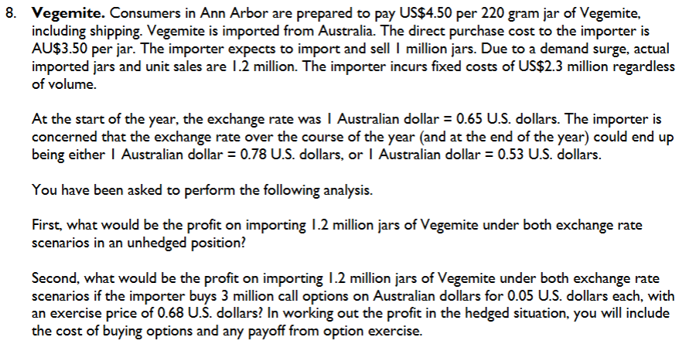
 |  | 0.874 | 0.37 | -0.176

 | Cost to hedge: | 0.15 | 0.15 | 0.15
 | Payoff from calls: | 0 | 0 | 0.3
 | profit: | 0.724 | 0.22 | -0.026

REMEMBER
Expected is just for hedging, when you are figuring out actual profit, USE ACTUAL
=

 | Jump to front

Simpson Manufacturing Hedging
Last index price | 251
Per unit sale price | $1,050
Base case revenue ($m) | 2,100
Base case earnings before interest and tax (EBIT) ($m) | 500 |  |  |  | put options sold | 1 | 2 | units needed to hedge
Call option price | 14 |  |  |  | price per put | 2 | 14 | price per call
Put option price | 2 |  |  |  | premium | 2 | 28 | m in calls
Call options purchased (m) | 2.0
For part C, put options sold (m) | 1.0
Exercise price | 251
Scenario | Low | Base | High
Units (m) | 1.9 | 2.0 | 2.1
Purchase price | $220 | $300 | $380 | This is NOT the same as the commodity price index, this is simply what we are purchasing for, which may be different than the change in the commodity
Index value | 220 | 251 | 260

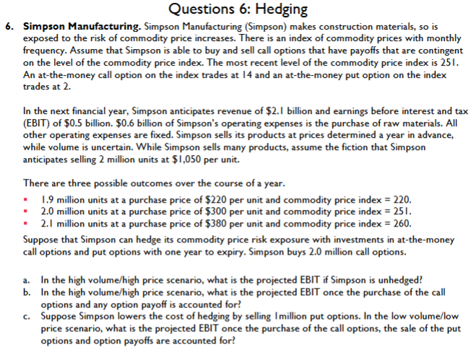
 |  | Low | Base | High
 | units | 1.9 | 2 | 2.1
 | revenue | $1,995 | $2,100 | $2,205
 | cost per unit | 220 | 300 | 380
 | COGS | 418 | 600 | 798
 | other costs(filler) | $1,000 | $1,000 | $1,000
unhedged | EBIT | $577 | 500 | $407

cost of options |  | 28 | 28 | 28
payoff on calls |  | $0 | $0 | $18
hedged EBIT |  | $549 | $472 | $397

premium from puts |  | 2 | 2 | 2
drawdown from puts |  | -31 | 0 | 0
Hedged EBIT |  | $520 | $474 | $399

Jump to front

SPY Question Not too hard
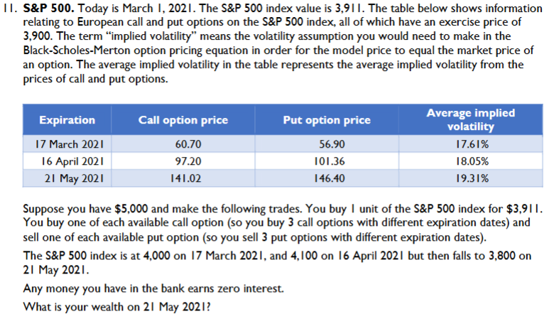
SPY Index Value | 3911 |  | exercise | 3900
march price | 4000

 |  | starting | 5000
 |  | buy one spy | 3911 |  |  |  | march | april | may
 |  |  | 1089 |  | 1 | put price | 56.9 | 101.36 | 146.4
index at march | 4000 | qty |  |  | 1 | call price | 60.7 | 97.2 | 141.02
21 march call payoff | 100 | 1 |  |  |  | call price net of puts | 3.8 | -4.16 | -5.38
21 march put payoff | 0 | 1
 |  |  |  |  |  | -5.74

index at april | 4100
apr call payoff | 200 | 1
apr put payoff | 0 | 1

index at may | 3800
may call payoff | 0 | 1
may put payoff | -100 | 1

wealth | 5094.74

S&P 500 | 3,911.00
Today | 1-Mar-21
Exercise | 3,900.00
Initial wealth | 5,000.00 |  |  |  |  |  |  |  |  | Jump to front

Expiration | Call price | Put price | Implied volatility | S&P 500 end | Call payoff | Put payoff | Total payoff
17-Mar-21 | 60.70 | 56.90 | 17.61% | 4000 | 100.00 | 0.00 | 100.00
16-Apr-21 | 97.20 | 101.36 | 18.05% | 4100 | 200.00 | 0.00 | 200.00
21-May-21 | 141.02 | 146.40 | 19.31% | 3800 | 0.00 | -100.00 | -100.00

Wealth
Wealth at start | 5,000.00
Cost of S&P 500 | -3,911.00
Cost of calls | -298.92
Sale of puts | 304.66
Payoff from calls | 300.00
Payoff from puts | -100.00
S&P 500 end | 3,800.00
Wealth at end | 5,094.74

